Supplementary Illustration-GEN
Supplementary Illustration for Premium Financing - Income Option: Paid-Out

Date Prepared |  | 2022-05-04 |  | Entry Age | 49
 |  |  |  |  |  |  |  | ========== IMPORTANT NOTE ========== You are receiving this Supplementary Illustration for Premium Financing (Income Option: Paid-Out) as your PIAS Representative has recommended a Life Insurance Policy and you have expressed interest in the premium financing arrangement which is available for the recommended plan. Premium financing is not part of your insurance policy contract. We do not recommend that you consider premium financing if you do not have sufficient funds to service the total premium amount. There are 4 pages to this Supplementary Illustration for Premium Financing. Please ensure that you receive all pages of this document. This Supplementary Illustration only serves to illustrate the impact of premium financing facilities on the recommended life insurance policy payout/benefits and is not meant to provide any advice on the premium financing facilities.
Customer Name |  | Ms Tan

Plan Name |  | Manulife Signature Income (III) SGD

Policy Term |  | 71 | years | Income Option | Paid-out

Total Premium |  | Initial Cash Outlay | Bank Loan | Remarks
$357,000 |  | $100,000 | $257,000 | 72% financing
Note: You should have at least $178,500 in liquid assets (i.e. Total Cash/Near Cash + Unit Trusts + Stocks + Bonds)

Financing Cost Involved
Scenario |  | Interest Rate (p.a.) | Annual Financing Cost | Monthly Financing Cost | Financing Cost before receiving monthly cash benefit1
Current Rate |  | 3.000% | $7,710 | $643 | $23,130
Current Rate +1% |  | 4.000% | $10,280 | $857 | $30,840
Current Rate +2% |  | 5.000% | $12,850 | $1,071 | $38,550
Note: The actual financing cost may differ from this supplementary illustration/fluctuate due to change in interest rates or calculation method.

Annualised Monthly Cash Benefit (per Policy Illustration - Paid-out option) |  |  |  |  |  | Monthly Cash Benefit
Payable from |  | 37 | th policy monthiversary |  |  | Payable from | 37 | th policy monthiversary

Annualised Guaranteed Monthly Cash Benefit |  | Annualised Monthly Cash Benefit (Guaranteed & Non-guaranteed) @3.00% Investment Return2 |  | Annualised Monthly Cash Benefit (Guaranteed & Non-guaranteed) @4.25% Investment Return2 |  | Guaranteed Monthly Cash Benefit | Total Monthly Cash Benefit (Guaranteed & Non-guaranteed) @3.00% Investment Return2 |  | Total Monthly Cash Benefit (Guaranteed & Non-guaranteed) @4.25% Investment Return2
$4,430 |  | $8,307 |  | $12,861 |  | $369 | $692 |  | $1,072

Illustration based on Current Interest Rate of 3% p.a. |  |  |  |  |  | Surrender Values Per Policy Illustration Income Option = Paid Out |  |  |  | Impact of Financing Cost on Cashflow: Investment Return = Surrender Value + Cash Benefit Received - Premium Amount - Financing Cost Incurred |  |  | Illustrated % Return @3.00% Investment Return² / Initial Cash Outlay of $100,000 | Illustrated % Return @4.25% Investment Return² / Initial Cash Outlay of $100,000
End Of Policy Year / Age |  | Financing Cost Incurred3 | Total Guaranteed Cash Benefit Received | Total Cash Benefit Received @3.00% Investment Return2 | Total Cash Benefit Received @4.25% Investment Return2 | Guaranteed | Total @3.00% Investment Return2 | Total @4.25% Investment Return2 |  | @ Guaranteed Values | @3.00% Investment Return2 | @4.25% Investment Return2
1 | / 50 | $7,710 | $0 | $0 | $0 | $285,600 | $285,600 | $285,600 |  | -$79,110 | -$79,110 | -$79,110 | -79% | -79%
5 | / 54 | $38,550 | $8,860 | $16,614 | $25,722 | $285,600 | $285,600 | $291,312 |  | -$101,090 | -$93,336 | -$78,516 | -93% | -79%
10 | / 59 | $77,100 | $31,010 | $58,149 | $90,027 | $285,600 | $290,412 | $302,987 |  | -$117,490 | -$85,539 | -$41,086 | -86% | -41%
15 | / 64 | $115,650 | $53,160 | $99,684 | $154,332 | $285,600 | $302,701 | $322,776 |  | -$133,890 | -$70,265 | $4,458 | -70% | 4%
20 | / 69 | $154,200 | $75,310 | $141,219 | $218,637 | $285,600 | $307,023 | $332,173 |  | -$150,290 | -$62,958 | $39,610 | -63% | 40%
30 | / 79 | $231,300 | $119,610 | $224,289 | $347,247 | $285,600 | $320,528 | $361,530 |  | -$183,090 | -$43,483 | $120,477 | -43% | 120%
Other Milestones

Values at Maturity
71 | / 120 | $547,410 | $301,240 | $564,876 | $874,548 | $285,600 | $328,671 | $379,233 |  | -$317,570 | -$10,863 | $349,371 | -11% | 349%

1 Based on Current Interest Rate of 3% p.a., assuming current interest rate does not change before start of monthly cash benefit payout.
2 For illustrative purposes only, the actual payout may differ. The rates do not represent upper and lower limits of the investment performance of an insurer’s Par Fund and are not a reflection of the actual returns of both existing and future Par policies. The actual returns received for a Par policy will depend on the actual experience, including investment performance, of the Par Fund that will develop over the lifetime of the Par policy.
3 Based on Current Interest Rate of 3% p.a., assuming current interest rate does not change throughout the period of monthly cash benefit payout.

Illustration based on +1% Interest Rate of 4% p.a. |  |  |  |  |  | Surrender Values Per Policy Illustration Income Option = Paid Out |  |  |  | Impact of Financing Cost on Cashflow: Investment Return = Surrender Value + Cash Benefit Received - Premium Amount - Financing Cost Incurred |  |  | Illustrated % Return @3.00% Investment Return² / Initial Cash Outlay of $100,000 | Illustrated % Return @4.25% Investment Return² / Initial Cash Outlay of $100,000
End Of Policy Year / Age |  | Financing Cost Incurred4 | Total Guaranteed Cash Benefit Received | Total Cash Benefit Received @3.00% Investment Return2 | Total Cash Benefit Received @4.25% Investment Return2 | Guaranteed | Total @3.00% Investment Return2 | Total @4.25% Investment Return2 |  | @ Guaranteed Values | @3.00% Investment Return2 | @4.25% Investment Return2
1 | / 50 | $10,280 | $0 | $0 | $0 | $285,600 | $285,600 | $285,600 |  | -$81,680 | -$81,680 | -$81,680 | -82% | -82%
5 | / 54 | $51,400 | $8,860 | $16,614 | $25,722 | $285,600 | $285,600 | $291,312 |  | -$113,940 | -$106,186 | -$91,366 | -106% | -91%
10 | / 59 | $102,800 | $31,010 | $58,149 | $90,027 | $285,600 | $290,412 | $302,987 |  | -$143,190 | -$111,239 | -$66,786 | -111% | -67%
15 | / 64 | $154,200 | $53,160 | $99,684 | $154,332 | $285,600 | $302,701 | $322,776 |  | -$172,440 | -$108,815 | -$34,092 | -109% | -34%
20 | / 69 | $205,600 | $75,310 | $141,219 | $218,637 | $285,600 | $307,023 | $332,173 |  | -$201,690 | -$114,358 | -$11,790 | -114% | -12%
30 | / 79 | $308,400 | $119,610 | $224,289 | $347,247 | $285,600 | $320,528 | $361,530 |  | -$260,190 | -$120,583 | $43,377 | -121% | 43%
Other Milestones

Values at Maturity
71 | / 120 | $729,880 | $301,240 | $564,876 | $874,548 | $285,600 | $328,671 | $379,233 |  | -$500,040 | -$193,333 | $166,901 | -193% | 167%

1 Based on Current Interest Rate of 3% p.a., assuming current interest rate does not change before start of monthly cash benefit payout
2 For illustrative purposes only, the actual payout may differ. The rates do not represent upper and lower limits of the investment performance of an insurer’s Par Fund and are not a reflection of the actual returns of both existing and future Par policies. The actual returns received for a Par policy will depend on the actual experience, including investment performance, of the Par Fund that will develop over the lifetime of the Par policy.
4 Based on Current Interest Rate +1% of 4% p.a., assuming current interest rate does not change throughout the period of monthly cash benefit payout.

Illustration based on +2% Interest Rate of 5% p.a. |  |  |  |  |  | Surrender Values Per Policy Illustration Income Option = Paid Out |  |  |  | Impact of Financing Cost on Cashflow: Investment Return = Surrender Value + Cash Benefit Received - Premium Amount - Financing Cost Incurred |  |  | Illustrated % Return @3.00% Investment Return² / Initial Cash Outlay of $100,000 | Illustrated % Return @4.25% Investment Return² / Initial Cash Outlay of $100,000
End Of Policy Year / Age |  | Financing Cost Incurred5 | Total Guaranteed Cash Benefit Received | Total Cash Benefit Received @3.00% Investment Return2 | Total Cash Benefit Received @4.25% Investment Return2 | Guaranteed | Total @3.00% Investment Return2 | Total @4.25% Investment Return2 |  | @ Guaranteed Values | @3.00% Investment Return2 | @4.25% Investment Return2
1 | / 50 | $12,850 | $0 | $0 | $0 | $285,600 | $285,600 | $285,600 |  | -$84,250 | -$84,250 | -$84,250 | -84% | -84%
5 | / 54 | $64,250 | $8,860 | $16,614 | $25,722 | $285,600 | $285,600 | $291,312 |  | -$126,790 | -$119,036 | -$104,216 | -119% | -104%
10 | / 59 | $128,500 | $31,010 | $58,149 | $90,027 | $285,600 | $290,412 | $302,987 |  | -$168,890 | -$136,939 | -$92,486 | -137% | -92%
15 | / 64 | $192,750 | $53,160 | $99,684 | $154,332 | $285,600 | $302,701 | $322,776 |  | -$210,990 | -$147,365 | -$72,642 | -147% | -73%
20 | / 69 | $257,000 | $75,310 | $141,219 | $218,637 | $285,600 | $307,023 | $332,173 |  | -$253,090 | -$165,758 | -$63,190 | -166% | -63%
30 | / 79 | $385,500 | $119,610 | $224,289 | $347,247 | $285,600 | $320,528 | $361,530 |  | -$337,290 | -$197,683 | -$33,723 | -198% | -34%
Other Milestones

Values at Maturity
71 | / 120 | $912,350 | $301,240 | $564,876 | $874,548 | $285,600 | $328,671 | $379,233 |  | -$682,510 | -$375,803 | -$15,569 | -376% | -16%

1 Based on Current Interest Rate of 3% p.a., assuming current interest rate does not change before start of monthly cash benefit payout
2 For illustrative purposes only, the actual payout may differ. The rates do not represent upper and lower limits of the investment performance of an insurer’s Par Fund and are not a reflection of the actual returns of both existing and future Par policies. The actual returns received for a Par policy will depend on the actual experience, including investment performance, of the Par Fund that will develop over the lifetime of the Par policy.
5 Based on Current Interest Rate +2% of 5% p.a., assuming current interest rate does not change throughout the period of monthly cash benefit payout.

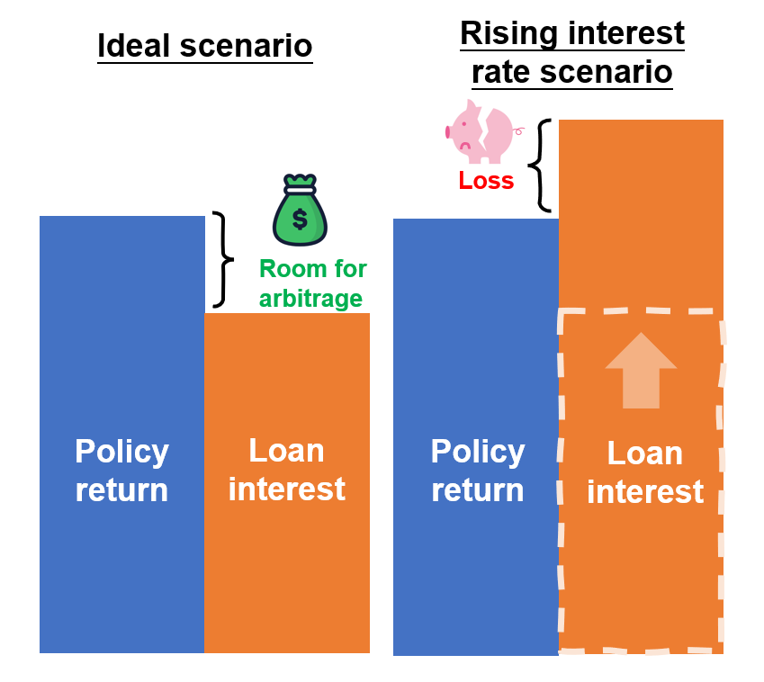
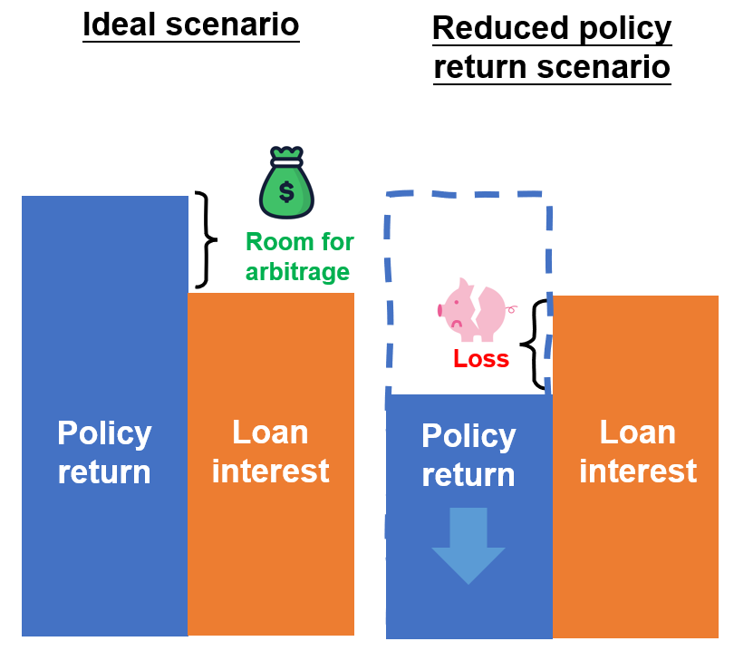
Points to Note for Premium Financing facilitites:
Illustration 1. Impact of rising interest rate on a premium financing arrangement |  |  |  |  |  |  | Illustration 2. Impact of non-guaranteed benefits on a premium financing arrangement
The interest rate may be subject to change depending on market circumstances and/or the bank has the right to adjust the rate accordingly. Any hike in the interest rate will increase the borrowing cost under premium financing and lower the return, or even worse incur losses for the policyholders. |  |  |  |  |  |  | There are both guaranteed and non-guaranteed benefits components (e.g. participating policies). The non-guaranteed benefits, as the name suggests, are not guaranteed to be paid. The non-guaranteed benefits to be received are affected by the insurer's investment strategy and performance, claims experience and operational expenses, etc., which may be higher or lower than those illustrated in the benefit illustration. Under extreme circumstances, the amount of non-guaranteed benefits may be zero.

